Instructions
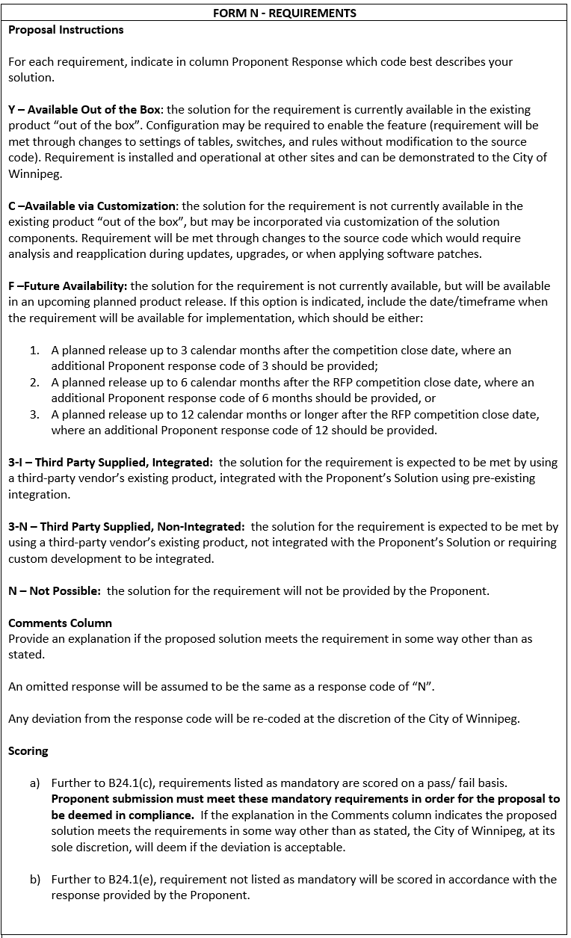
664-2021 Form N - Requirements

